ART
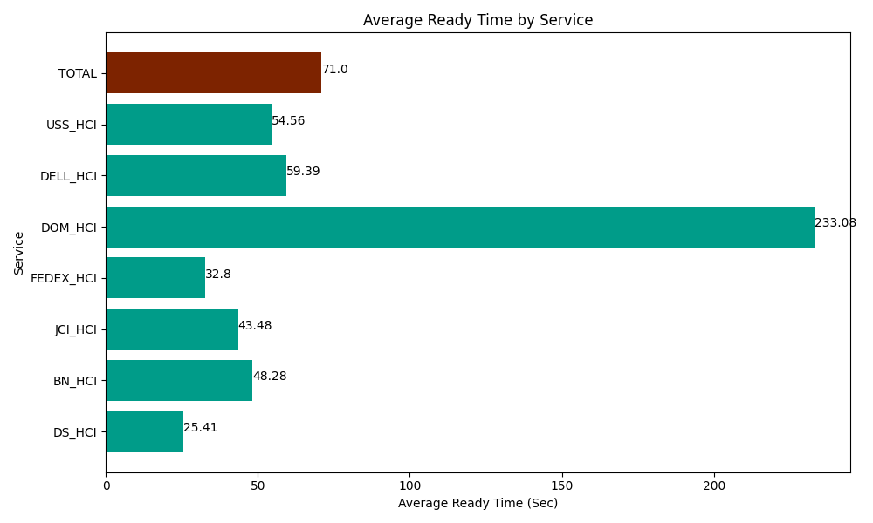
Date | Service | Successful Op Transfer | In Call (Sec) | Ready (Sec) | Wrapup (Sec) | Not Ready (Sec) | Average Ready Time (Sec)
04-18-2024 | DS_HCI | 444 | 22810.200806 | 11280 | 44038.798828 | 28917.000732 | 25.41
04-18-2024 | BN_HCI | 912 | 49120.799561 | 44035.799561 | 95671.201172 | 60840 | 48.28
04-18-2024 | JCI_HCI | 316 | 30548.999634 | 13741.200256 | 40456.201172 | 7826.9998169 | 43.48
04-18-2024 | FEDEX_HCI | 39 | 4713.0001831 | 1279.1999817 | 3973.2000732 | 3100.8000183 | 32.8
04-18-2024 | DOM_HCI | 13 | 795 | 3030 | 1114.7999954 | 76.799998283 | 233.08
04-18-2024 | DELL_HCI | 56 | 4675.8000183 | 3325.8000183 | 12445.799561 | 3493.7999725 | 59.39
04-18-2024 | USS_HCI | 437 | 62013.00293 | 23841.000366 | 53938.798828 | 35911.201172 | 54.56
 | TOTAL | 2217 | 174676.80313 | 100533.00018 | 251638.79963 | 140166.60171 | 71

